SAMPLE
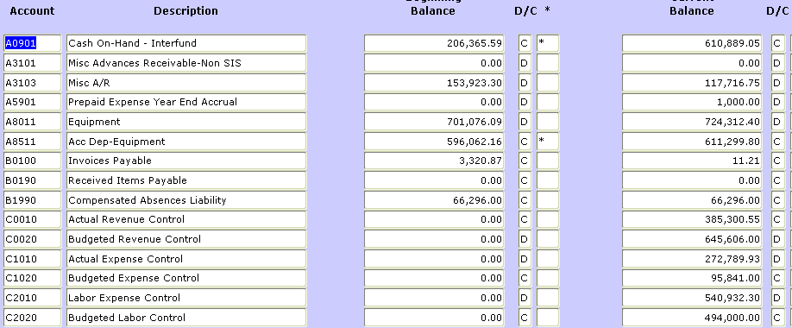
Compliance Calculation Worksheet
 |  |  |  |  |  |  |  |  |  |  |  | FGITBAL
Fund No.: |  |  |  | Fund Name:
FY | 10 | Period

Section I: Operating Fund Balance

1 | Current Fund Balance |  |  |  |  |  |  | 1 | 445,466.91
2 | Current Cash |  |  |  |  | 2 | (610,889.05)

Section II: Fixed Asset Balance
 |  |  |  |  |  |  |  |  |  |  | (enter credit balance as a negative and debit balance as a positive)
3 | Net Fixed Assets - (FGITBAL: add A8001 thru A8272 less A8500 thru A8771) |  |  |  |  |  |  | 3 | 113,012.60

4 | Compensated Absences |  |  |  |  |  |  | 4 | (66,296.00)

5 | Working Capital |  |  |  |  |  |  | 5 | (492,183.51)

Section III: Working Capital Limit Calculation - Upper Limit
 | FY | Expenses | Depreciation Expense |  |  |  | Net Expenses

6 | 10 | 813,722.23 | 15,237.64 |  |  | 6 | 798,484.59 |  |  |  | Use the same period to date for the two years
7 | 09 | 784,569.38 | 4,316.69 |  |  | 7 | 780,252.69 |  |  |  | prior that is being used for the current year.
8 | 08 | 621,579.60 | 125.57 |  |  | 8 | 621,454.03 |  |  |  | Ex. Period FY10 FP09; FY09 FP09, FY08 FP09
9 | Total Net Expenses (Sum of lines 7, 8 & 9) |  |  |  |  | 9 | 2,200,191.31
10 | Average Yearly Expense (Divide line 10 by 3) |  |  |  |  |  |  | 10 | 733,397.10
11 | Working Capital Adjustment (60 days/360 days) |  |  |  |  |  |  | 11 | 0.1667
12 | Allowable Working Capital (Multiply line 11 by line 12) |  |  |  |  |  |  | 12 | 122,257.30

Section IV: Working Capital Limit Calculation - Lower Limit
 | Lower Limit Rule: 5% of annual expenses(line 10 X .05) |  |  |  |  |  |  | 13 | (36,669.86) |  |  | FWIBUDG
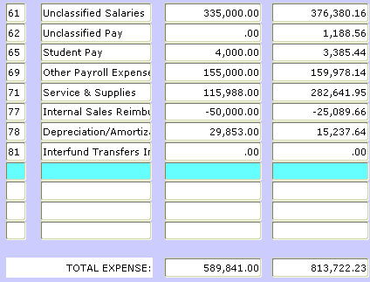

Section V: Compliance Analysis

A. | ONLY IF LINE 5 IS A POSITIVE BALANCE
 | Is line 5 greater than zero |  | No |  | Go to next question.
 | and less than or equal |  | No |  | FALSE
 | to line 12?

 | Is line 5 greater than |  | No |  | FALSE
 | line 12? |  | No |  | FALSE |  |  |  |  |  | Fields will auto calculate based on above input

 | OR | (If Line 5 is greater than $0 use A. above. If Line 5 is less than $0, use B. below.)

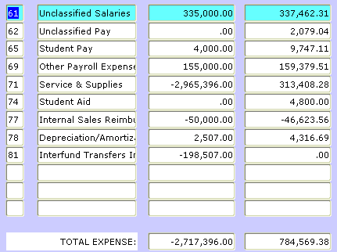
B. | ONLY IF LINE 5 IS A NEGATIVE BALANCE
 | Is line 5 less than 13? |  | No |  | FALSE

C. | Excess working capital - line 5 minus line 12 (If positive) |  |  |  |  | 14 | FALSE

 | OPTIONS:

 | a. Return Contributed Capital
 |  | Contributed Capital |  |  |  | 15 | 2,484,054.09 |  |  | does not auto calculate - find on FGITBAL

 |  | Funds available to Return Contributed Capital: |  |  |  | 16 | 2,484,054.09

 | b. Fund or Create Reserves
 |  | Reserve Balance
 | Equipment Reserve Fund Balance |  |  |  |  | 17 | 0.00 |  |  | does not auto calculate
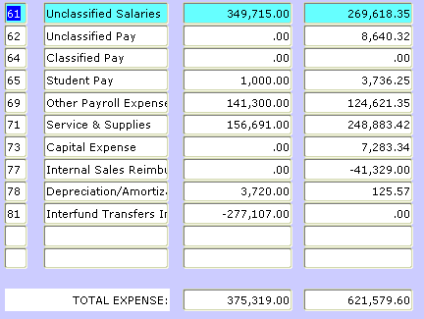
 | Required Balance per 5 Year Plan |  |  |  |  | 18 |  |  |  | Capital Asset Maintenance Plan
 | Subtract line 18 from line 17, Overfunded<Underfunded> |  |  |  |  | 19 | 0.00
 | Maximum contribution to reserve fund |  |  |  |  |  |  | 20 | 0.00

 | c. Reduce Rates - submit updated rate sheet

 | d. Some combination of A, B and C

D. | Insufficient Working Capital

 | Required Actions:

 | a. Is working capital in a deficit position equal to 5% or less of annual expenses?
 |  | Is Line 5 less than line 13? |  |  |  |  | No
 |  | If No, you must go to step b.
 |  | If Yes, you must eliminate the deficit either by: |  |  |  |  |  |  |  |  | Fields will auto calculate based on above input
 |  | A rate increase.
 |  | A transfer of adequate funding to the service center.

 | b. Is working capital in a deficit position greater than 5% of total annual expenses?
 | If Yes, you must eliminate the deficit either by: |  |  |  |  |  | Yes
 | A transfer of funds prior to fiscal year-end closing, sufficient to bring
 | the deficit equal to 5% or less of total annual expenses. Any remaining deficit
 | will be carried forward to the new year as an increase in rates or additional
 | movement of funding in the future year.
Enter your written plan in the space according to the options listed above (attach additional sheet as necessary):
Step one will be to transfer funds from index 10XXX in the amount of $611,000. Step two will be to raise rates from XX to XX to prevent this center from falling into a deficit position again.

 | Reviewed by:_______________________________________ Dept. _______________ Ext. _______

