Screenshots
#39 Dear Brian and Laurie,

Thank you again for working to make Concur more user-friendly for UO users. As a follow up to the suggestions that were made in the Concur Case Studies meeting, I have some general feedback to offer about the Concur travel request regarding the English department’s desire for there to be a required field that asks the traveler if classes or advising responsibilities will be missed while traveling and if so how those responsibilities will be covered.

If there is a more appropriate party that I should be directing my feedback to, please do let me know!

Optimal solution from English department perspective: If and when this information can be turned into a required (customizable?) field, we will appreciate the streamlined effect that the required field would have for processing our Concur travel requests. Idea: Perhaps it could be a universally required field with one of the drop-down options being “n/a” or something? I anticipate that many academic units would find this required field useful in showing transparency that faculty contracted teaching and advising obligations are being met.

Current solution: The current note in the request that pops up if the user hovers over the blue arrow very near “Will you be absent any term other than summer?” question does not appear to be observed by our travelers. Based on my experience with our travelers using other paper forms and other electronic forms is that even if the note is included on the form without having to hover to see it, that the needed information will not be provided by our travelers when they first submit the request.

Current solution result for our department: As it stands currently, we have to send a follow-up email for nearly each travel request in order to obtain this information. This makes demonstrating transparency on contracted obligations being met take extra work and the follow-up email adds to the already superfluous number of emails our travelers receive related to Concur travel requests and expense reports.

NOTE: my understanding from the Concur Case Studies meeting is that customizable fields is something that the Travel Office/BAOIS is already looking into and that this piece may take time to figure out what can work within the parameters of Concur capabilities and what is feasible to accommodate the variety of Concur users across campus and how it affects Concur reporting. I am providing this feedback, then, to convey to you the effect of the current Concur configuration on the FTE and traveler-experience in our department specifically because I’m hoping it will help in the over-all problem-solving process you all are actively engaged in as the UO evolves in its use of Concur. Thank you.

A3103 email thread:
 | Carrie Chesbro
Sent: | Tuesday, July 23, 2019 4:34 PM
To: | Robbin Howard; Stuart Mellor; Brooke Millett; Phil Davis
Cc: | Laurie Jacoby; SPS Finance Team; Josh Kerber
Subject: | RE: JVs needed - Grant Funds with balances in A3103 FW: Past Due AR Reports

J0537820 clears 224541, 224791, 224811

J0537815 clears 4202R1

J0537831 clears 2009D1

From: Robbin Howard <RCHoward@uoregon.edu>
Sent: Tuesday, July 23, 2019 4:26 PM
To: Carrie Chesbro <chesbro@uoregon.edu>; Stuart Mellor <smellor@uoregon.edu>; Brooke Millett
<bmillett@uoregon.edu>; Phil Davis <pdavis@uoregon.edu>
Cc: Laurie Jacoby <lajacoby@uoregon.edu>; SPS Finance Team <spsfinanceteam@uoregon.edu>; Josh
Kerber <jkerber@uoregon.edu>
Subject: RE: JVs needed - Grant Funds with balances in A3103 FW: Past Due AR Reports

Banner is open to us until 5:00 tonight, so please do post any correcting JVs.

Robbin Howard
Financial Services Accountant
University of Oregon
Business Affairs Office
PO Box 3237
Eugene, OR 97403-0237
Fax (541)-346-5820
(541)346-1115
Pronouns: she/her/hers

From: Carrie Chesbro <chesbro@uoregon.edu>
Sent: Tuesday, July 23, 2019 4:18 PM
To: Stuart Mellor <smellor@uoregon.edu>; Robbin Howard <RCHoward@uoregon.edu>; Brooke Millett
<bmillett@uoregon.edu>; Phil Davis <pdavis@uoregon.edu>
Cc: Laurie Jacoby <lajacoby@uoregon.edu>; SPS Finance Team <spsfinanceteam@uoregon.edu>; Josh
Kerber <jkerber@uoregon.edu>
Subject: RE: JVs needed - Grant Funds with balances in A3103 FW: Past Due AR Reports

Sorry to be a pest, but it is after 4pm. Can I post the travel that should have been travel to 35130?

Thanks,
Carrie

From: Carrie Chesbro <chesbro@uoregon.edu>
Sent: Tuesday, July 23, 2019 3:42 PM
To: Stuart Mellor <smellor@uoregon.edu>; Robbin Howard <RCHoward@uoregon.edu>; Brooke Millett
<bmillett@uoregon.edu>; Phil Davis <pdavis@uoregon.edu>
Cc: Laurie Jacoby <lajacoby@uoregon.edu>; SPS Finance Team <spsfinanceteam@uoregon.edu>; Josh
Kerber <jkerber@uoregon.edu>
Subject: RE: JVs needed - Grant Funds with balances in A3103 FW: Past Due AR Reports

I am not sure what kind of fund they provided, but I will try them.

There are three charges that are not A/R according to the unit, they should have been processed against
the grant as airfare charges. Can I post these to the proper travel expense code?

Thanks,
Carrie

From: Stuart Mellor <smellor@uoregon.edu>
Sent: Tuesday, July 23, 2019 3:39 PM
To: Carrie Chesbro <chesbro@uoregon.edu>; Robbin Howard <RCHoward@uoregon.edu>; Brooke
Millett <bmillett@uoregon.edu>; Phil Davis <pdavis@uoregon.edu>
Cc: Laurie Jacoby <lajacoby@uoregon.edu>; SPS Finance Team <spsfinanceteam@uoregon.edu>; Josh
Kerber <jkerber@uoregon.edu>
Subject: RE: JVs needed - Grant Funds with balances in A3103 FW: Past Due AR Reports

Carrie,
Yes, ones moving to the units should it stay in A3103. It should be a departmental I/E fund that can
receive revenue to clear the A/R.

Stuart Mellor
Phone: 541-346-7215

From: Carrie Chesbro <chesbro@uoregon.edu>
Sent: Tuesday, July 23, 2019 3:33 PM
To: Stuart Mellor <smellor@uoregon.edu>; Robbin Howard <RCHoward@uoregon.edu>; Brooke Millett
<bmillett@uoregon.edu>; Phil Davis <pdavis@uoregon.edu>
Cc: Laurie Jacoby <lajacoby@uoregon.edu>; SPS Finance Team <spsfinanceteam@uoregon.edu>; Josh
Kerber <jkerber@uoregon.edu>
Subject: RE: JVs needed - Grant Funds with balances in A3103 FW: Past Due AR Reports

Quick question. For the ones moving to the units that are still receivables, should it stay in A3103?

From: Carrie Chesbro <chesbro@uoregon.edu>
Sent: Tuesday, July 23, 2019 12:57 PM
To: Stuart Mellor <smellor@uoregon.edu>; Robbin Howard <RCHoward@uoregon.edu>; Brooke Millett
<bmillett@uoregon.edu>; Phil Davis <pdavis@uoregon.edu>
Cc: Laurie Jacoby <lajacoby@uoregon.edu>; SPS Finance Team <spsfinanceteam@uoregon.edu>; Josh
Kerber <jkerber@uoregon.edu>
Subject: RE: JVs needed - Grant Funds with balances in A3103 FW: Past Due AR Reports

Thanks! We will see what we can do to get accounts from the units for these by today’s deadline.

Looking forward, we should discuss a way to catch these at posting to have it not post to any sponsored
fund at origination.

Thanks,
Carrie

From: Stuart Mellor <smellor@uoregon.edu>
Sent: Tuesday, July 23, 2019 12:53 PM
To: Carrie Chesbro <chesbro@uoregon.edu>; Robbin Howard <RCHoward@uoregon.edu>; Brooke
Millett <bmillett@uoregon.edu>; Phil Davis <pdavis@uoregon.edu>
Cc: Laurie Jacoby <lajacoby@uoregon.edu>; SPS Finance Team <spsfinanceteam@uoregon.edu>; Josh
Kerber <jkerber@uoregon.edu>
Subject: RE: JVs needed - Grant Funds with balances in A3103 FW: Past Due AR Reports

I believe so.

Stuart Mellor
Phone: 541-346-7215

From: Carrie Chesbro <chesbro@uoregon.edu>
Sent: Tuesday, July 23, 2019 12:52 PM
To: Stuart Mellor <smellor@uoregon.edu>; Robbin Howard <RCHoward@uoregon.edu>; Brooke Millett
<bmillett@uoregon.edu>; Phil Davis <pdavis@uoregon.edu>
Cc: Laurie Jacoby <lajacoby@uoregon.edu>; SPS Finance Team <spsfinanceteam@uoregon.edu>; Josh
Kerber <jkerber@uoregon.edu>
Subject: RE: JVs needed - Grant Funds with balances in A3103 FW: Past Due AR Reports

Are they all payment pending from an outside source?

From: Stuart Mellor <smellor@uoregon.edu>
Sent: Tuesday, July 23, 2019 12:51 PM
To: Carrie Chesbro <chesbro@uoregon.edu>; Robbin Howard <RCHoward@uoregon.edu>; Brooke
Millett <bmillett@uoregon.edu>; Phil Davis <pdavis@uoregon.edu>
Cc: Laurie Jacoby <lajacoby@uoregon.edu>; SPS Finance Team <spsfinanceteam@uoregon.edu>; Josh
Kerber <jkerber@uoregon.edu>
Subject: RE: JVs needed - Grant Funds with balances in A3103 FW: Past Due AR Reports

Yes, All five grants with Misc A/R are travel related.

Stuart Mellor
Phone: 541-346-7215

From: Carrie Chesbro <chesbro@uoregon.edu>
Sent: Tuesday, July 23, 2019 12:49 PM
To: Stuart Mellor <smellor@uoregon.edu>; Robbin Howard <RCHoward@uoregon.edu>; Brooke Millett
<bmillett@uoregon.edu>; Phil Davis <pdavis@uoregon.edu>
Cc: Laurie Jacoby <lajacoby@uoregon.edu>; SPS Finance Team <spsfinanceteam@uoregon.edu>; Josh
Kerber <jkerber@uoregon.edu>
Subject: RE: JVs needed - Grant Funds with balances in A3103 FW: Past Due AR Reports

Hi Stuart,

Thanks for this, it is helpful. Is this true for the documents as well?

Thanks,
Carrie

From: Stuart Mellor <smellor@uoregon.edu>
Sent: Tuesday, July 23, 2019 12:36 PM
To: Carrie Chesbro <chesbro@uoregon.edu>; Robbin Howard <RCHoward@uoregon.edu>; Brooke
Millett <bmillett@uoregon.edu>; Phil Davis <pdavis@uoregon.edu>
Cc: Laurie Jacoby <lajacoby@uoregon.edu>; SPS Finance Team <spsfinanceteam@uoregon.edu>; Josh
Kerber <jkerber@uoregon.edu>
Subject: RE: JVs needed - Grant Funds with balances in A3103 FW: Past Due AR Reports

Carrie,
Looking at document C0004399 for Caroline Shanley, the total reimbursement was $2,075.24. When
the transaction was entered in the travel module, it was marked that an outside party would reimburse
part of the cost $947. At this time the FOAPAL should have been changed.

35110
Domestic Lodging
792.76
35120
Domestic Per Diem
310.5
35140
Domestic All Ground Transport
24.98
A3103
Misc A/R
947

2,075.24

The grant is being used like a clearing fund. The $947.00 in Misc A/R should be moved to a departmental
ICC, departmental I/E fund or where the revenue posted.

Stuart Mellor
Phone: 541-346-7215

From: Carrie Chesbro <chesbro@uoregon.edu>
Sent: Tuesday, July 23, 2019 11:54 AM
To: Robbin Howard <RCHoward@uoregon.edu>; Brooke Millett <bmillett@uoregon.edu>; Phil Davis
<pdavis@uoregon.edu>
Cc: Laurie Jacoby <lajacoby@uoregon.edu>; Stuart Mellor <smellor@uoregon.edu>; SPS Finance Team
<spsfinanceteam@uoregon.edu>; Josh Kerber <jkerber@uoregon.edu>
Subject: RE: JVs needed - Grant Funds with balances in A3103 FW: Past Due AR Reports

Hello!

We do not typically have AR on the sponsored funds in A3103, our AR typically only reflects posting from
the grants billing module. We do not have a standard process for addressing A3103. To be able to
properly adjust these entries, I need more information on the nature of the transactions. If they are
Concur travel advances, I would anticipate moving these to the travel advance code and listing them on
the receivables listing. I hesitate to move anything to the grant operating funds, as this will generate a
billable expense to the project account, and I am not sure that is appropriate if it is truly an AR from the
travel module.

Could it be that the Concur postings to A3103 should be reversed? I appreciate any additional
information you can provide to help us determine the best action.

Thanks,
Carrie

From: Robbin Howard <RCHoward@uoregon.edu>
Sent: Tuesday, July 23, 2019 8:52 AM
To: SPS Finance Team <spsfinanceteam@uoregon.edu>; Carrie Chesbro <chesbro@uoregon.edu>; Josh
Kerber <jkerber@uoregon.edu>
Cc: Brooke Millett <bmillett@uoregon.edu>; Laurie Jacoby <lajacoby@uoregon.edu>; Stuart Mellor
<smellor@uoregon.edu>; Phil Davis <pdavis@uoregon.edu>
Subject: RE: JVs needed - Grant Funds with balances in A3103 FW: Past Due AR Reports
Importance: High

Josh,
Please post a JV that posts today for FY19 that moves these to so the grants do not have any A3103
balances.

For travel (ZKs Cs & Phils ZI accrual) Concur posted a debit to A3103 in the grant and a credit to
A5103. Please move the A3103 off the grant fund to a departmental ICC or departmental I/E fund.

All of the transactions except the Phil’s accrual are older and most likely the reimbursement from the
outside party or traveler was already received, so the debit would be to where the reimbursement
“revenue” posted to bring both the revenue and AR to zero.

As potential procedures going forward:
* | Post transactions correctly in concur (not to A3103 in grant funds)
* | review their grants to see if any balances in A3103 by departments
* | departments post a JV to move out of the grant fund if any transactions posted there
* | SPS monthly review balances in A3103 FT30 and work with departments to make sure
corrections are done.
* | SPS and depts. review of posting of the outside party’s payment to make sure it goes to AR.
* | Travel will add this to their debriefs of staff etc
* | Phil will add a note to his YE accrual process to look for this also.

Let me know if you have any questions. We’ve all been sitting here chatting about it for a while to figure
out what happened and how to proceed.

Thanks.

Robbin Howard
Financial Services Accountant
University of Oregon
Business Affairs Office
PO Box 3237
Eugene, OR 97403-0237
Fax (541)-346-5820
(541)346-1115
Pronouns: she/her/hers

From: Robbin Howard <RCHoward@uoregon.edu>
Sent: Monday, July 22, 2019 5:16 PM
To: SPS Finance Team <spsfinanceteam@uoregon.edu>; Carrie Chesbro <chesbro@uoregon.edu>;
Brooke Millett <bmillett@uoregon.edu>
Subject: RE: JVs needed - Grant Funds with balances in A3103 FW: Past Due AR Reports (7-17-19
deadline) FW: Year-End Departmental Accounts Receivable

Hi all,

Let’s figure this out tomorrow morning. I will let Brooke speak to how Concur works and about some of
these transactions. Yes Phil did do an accrual from Concur (I do not know about the approval part) from
a data pull. He would not have been noticing that grant funds are being used and posting to A3103.

Where would you move these types of receivables if the grant were closed or being closed?

Do we want to request that departments and their grant staff select a departmental ICC or Income
Expense fund for these types of transactions at year end?

Thanks.

Robbin Howard
Financial Services Accountant
University of Oregon
Business Affairs Office
PO Box 3237
Eugene, OR 97403-0237
Fax (541)-346-5820
(541)346-1115
Pronouns: she/her/hers

From: SPS Finance Team <spsfinanceteam@uoregon.edu>
Sent: Monday, July 22, 2019 5:01 PM
To: Carrie Chesbro <chesbro@uoregon.edu>; Robbin Howard <RCHoward@uoregon.edu>
Subject: RE: JVs needed - Grant Funds with balances in A3103 FW: Past Due AR Reports (7-17-19
deadline) FW: Year-End Departmental Accounts Receivable

Dear Robin,
It looks like these are travel accurals. 224541, 224791, 224811, and 4202R1 all seem to be
posted from concur, the FOATEXT looks like it has one of their numbers as the only
explanation.

The transactions on 2009D1 were posted by Phil Davis, and it looks like they are accruals for
travel that was not yet approved in Concur.

I don’t know hardly anything about Concur, so perhaps we need to involve someone from
travel to help figure out the fixes on these.

Thanks,
Josh

From: Carrie Chesbro <chesbro@uoregon.edu>
Sent: Monday, July 22, 2019 4:38 PM
To: Robbin Howard <RCHoward@uoregon.edu>; Post Award Team A <postawardteama@uoregon.edu>;
Post Award Team B <postawardteamb@uoregon.edu>; Post Award Team C
<postawardteamc@uoregon.edu>; Post Award Team D <postawardteamd@uoregon.edu>
Cc: SPS Finance Team <spsfinanceteam@uoregon.edu>
Subject: RE: JVs needed - Grant Funds with balances in A3103 FW: Past Due AR Reports (7-17-19
deadline) FW: Year-End Departmental Accounts Receivable

Hello!

Josh and I will look at this.

Thanks all,
Carrie

From: Robbin Howard <RCHoward@uoregon.edu>
Sent: Monday, July 22, 2019 4:04 PM
To: Post Award Team A <postawardteama@uoregon.edu>; Post Award Team B
<postawardteamb@uoregon.edu>; Post Award Team C <postawardteamc@uoregon.edu>; Post Award
Team D <postawardteamd@uoregon.edu>
Cc: Carrie Chesbro <chesbro@uoregon.edu>; SPS Finance Team <spsfinanceteam@uoregon.edu>
Subject: JVs needed - Grant Funds with balances in A3103 FW: Past Due AR Reports (7-17-19 deadline)
FW: Year-End Departmental Accounts Receivable
Importance: High

Hi Grants folks,
I am not sure who to send this email to so it is going to all of you. There is just tomorrow to post
correcting JVs, hence the high priority.

There are some amounts in A3103 Miscellaneous AR in grant funds. As far as I know grant funds only
use the grants receivable unbilled/billed accounts so that these transactions should be moved (perhaps
to A3103 in a departmental fund or to an expense account).

Please review and post any necessary FY19 JV corrections to move these amounts so the balance
becomes zero.

Let me know which of you is responsible for which fund and what the correcting JV# is. If they are
moved to AR elsewhere, please make sure to send in an AR report.

Let me know if you have any questions.
Thanks.

Robbin Howard
Financial Services Accountant
University of Oregon
Business Affairs Office
PO Box 3237
Eugene, OR 97403-0237
Fax (541)-346-5820
(541)346-1115
Pronouns: she/her/hers

From: Robbin Howard <RCHoward@uoregon.edu>
Sent: Saturday, July 20, 2019 10:24 AM
To: Julia Cohalan <jcohalan@uoregon.edu>; Yen-Chu Huberd <yhuberd@uoregon.edu>; Deanna
Tarango <dtarango@uoregon.edu>; Shaymond Michelson <shaymond@uoregon.edu>; Brandalee Davis
<bjdavis@uoregon.edu>; Alanna Schuh <aschuh@uoregon.edu>; Catherine Stemple
<cstemple@uoregon.edu>; Valerie Mickelson <vmickels@uoregon.edu>; Christy McElroy
<mcelroyc@uoregon.edu>; Deborah Mailander <dnmail@uoregon.edu>; Crystal Farset
<cfarset@uoregon.edu>; Katy Hatfield <katyh@uoregon.edu>; Leslie Stephenson
<lgsull@uoregon.edu>; Julie Watts <jwatts2@uoregon.edu>; Mary Ellen Mansfield
<mem@uoregon.edu>; Teri Mellor <tmellor@uoregon.edu>; Andrew Gillespie
<andrewg@uoregon.edu>; Steven Linster <slinster@uoregon.edu>; Angie Henbest
<awalker5@uoregon.edu>; Phil Davis <pdavis@uoregon.edu>; Carrie Chesbro <chesbro@uoregon.edu>;
David Stemple <stempled@uoregon.edu>; Rob Basto <rbasto@uoregon.edu>; Debbie Johnson
<djohnson@uoregon.edu>
Subject: Past Due AR Reports (7-17-19 deadline) FW: Year-End Departmental Accounts Receivable

Hi all,
Please take a moment to send in this year’s AR reports. A blank form is attached for you to use. It’s a
busy time of year, you have lots on your plate, everything can’t be done at once, so than you for all of
your effort.

Below are the AR Reports not received by the July 17th deadline. The list is from a report generated after
the department lock out. Please review all your departmental funds because it is possible your fund’s
account balance is now zero or you may have a AR balance in a fund not listed.

This list does not include any AR balances your department may have in the general fund or the ICC fund
for which you are responsible to send in an AR report as well.

Thanks.

A3103 Misc A/R

12
7
General Counsel Income/Expense Fund
12
35
Physical Plant Income/Expense
12
45
AAA Income/Expense
12
92
Enrollment Mgmt Income & Expenses

12
94
Student Life Income/Expense

14
20
Public Safety Income/Expense
570
17
LERC Conference

572
2
Shared Services - Benefits

572
5
Rsch CTL Designated Ops

572
19
LERC Consulting Contracts

652
5
Athletics Royalties

652
10
Ed CTL DIBELS Royalties

909
2
IMB Media Kitchen

1111
0
EMU Operating Fund

1111
20
EMU Campus Cash

224273
Pell

224541
ED KTEK2 620 CARY CLARKE

224791
ED NUMBERSHIRE 821 SHANLEY ET AL

224811
ED 622 MCINTOSH HORNER NESE

435012
Rippey Chair - UO Foundation

825007
Plant funds

940061
Federal Direct Student Loan Funds
2009D1
SPS-Grants: NSF RAISE-TAQS 821
RAYMER SMITH
4202R1
SPS-Grants: NGS 919 NAPOLITANO
FITZPATRICK

A3105 P-Card Fraud Receivable
112000
EMU Contracted Services Fund

A3110 Travel Advance Receivable-Non SIS
120100
Athletics

A3131 Catering Accounts Receivable
111100
EMU Operating Fund

A3132 Setup/Tech Accounts Receivable
111100
EMU Operating Fund

A3134 USDA Accounts Receivable
111100
EMU Operating Fund

A3155 Facilities Accounts Receivable
90314
CPFM Facilities Service Center

A3703 Miscellaneous Deposits

60313
CAS Geography Unrestricted Gifts
413111
CE Cont Educ Specialized Events

Please let me know if you are not responsible for any of the funds listed so I can identify who is and send
this to them.

Thanks all.

Robbin Howard
Financial Services Accountant
University of Oregon
Business Affairs Office
PO Box 3237
Eugene, OR 97403-0237
Fax (541)-346-5820
(541)346-1115
Pronouns: she/her/hers

From: bao-news-bounces@lists.uoregon.edu <bao-news-bounces@lists.uoregon.edu> On Behalf Of
Business Affairs Office News
Sent: Friday, July 5, 2019 8:10 AM
To: bao-news@lists.uoregon.edu
Subject: Year-End Departmental Accounts Receivable

Good morning,

The Business Affairs Office Financial Services Department would like to remind University of Oregon
personnel of important year-end procedures regarding non-student system (non-SIS) accounts
receivable (AR). According to Generally Accepted Accounting Principles (GAAP), accrual accounting
requires revenue be recognized when the product is delivered or the services are provided, not when
payment is received.

Departments that sell products or provide services should accrue amounts owed to them by customers
external to UO.

By Tuesday, July 9th at 5:00 p.m. all accounts receivable for revenue earned during FY19 should be
recorded in Banner. Our goal is to have all June and remaining FY19 activity recorded in FP12.

Wednesday, July 17th is the deadline for departments to submit the required detail and aging report of
non-SIS AR.
* | The report total should match FY19 Banner general ledger ending non-SIS AR balances.
* | Submit revised reports for any additional FP14 activity.
* | The report must include the amount, who it is due from, a description of the goods or services,
and the date they were provided.
* | To review general ledger accounts, use FGITBAL/FGIGLAC or FWIGLDD.
* | Please email reports to rchoward@uoregon.edu

It is important that receivable amounts are reviewed for accuracy and adjusted or written off as
appropriate. If you find amounts that are not collectible, please contact us for assistance.

We recommend you reconcile non-SIS AR banner balances to detailed AR listings at the close of FP11 as
preparation for the year-end requirements above. FP11 closes Friday, June 7th.

Common non-SIS AR account codes:

Account Code
Title
A3101
Misc Advances Receivable-Non SIS
A3103
Misc A/R
A3106
Sundry Receivable
A3110
Travel Advance Receivable-Non SIS
A3702
AR from Affiliated Foundation

For information and procedures on how to recognize revenue and accrue AR please visit the Business
Affairs website.

Year End closing deadlines, procedures, forms and closing of the books PowerPoint
Closing Procedures | Business Affairs

2019 AR Year End Report Form
Year End Accounts Receivable Form

General instructions
Accounts Receivable (non-student) | Business Affairs

Thank you,

BAO Financial Services Department

Robbin Howard, 6-1115, rchoward@uoregon.edu
Jill Ritz, 6-1256, jritz@uoregon.edu
Phil Davis, 6-3524, pdavis@uoregon.edu

2019-09-03
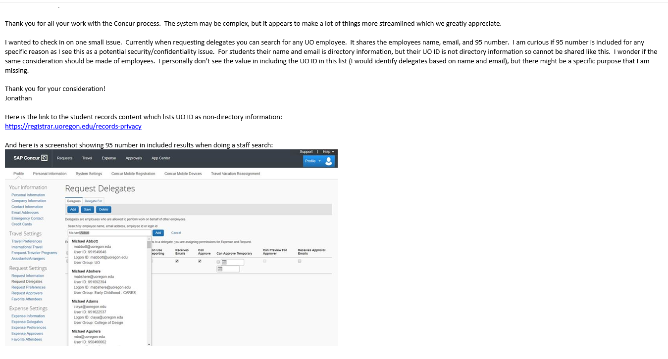

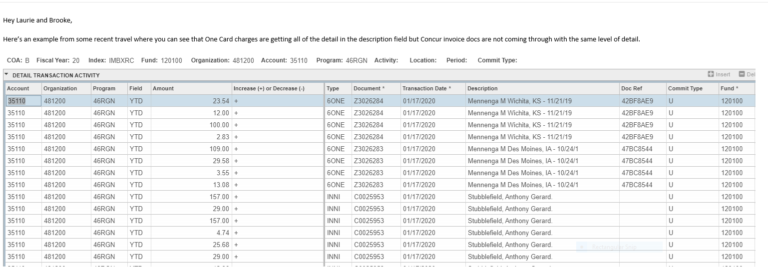

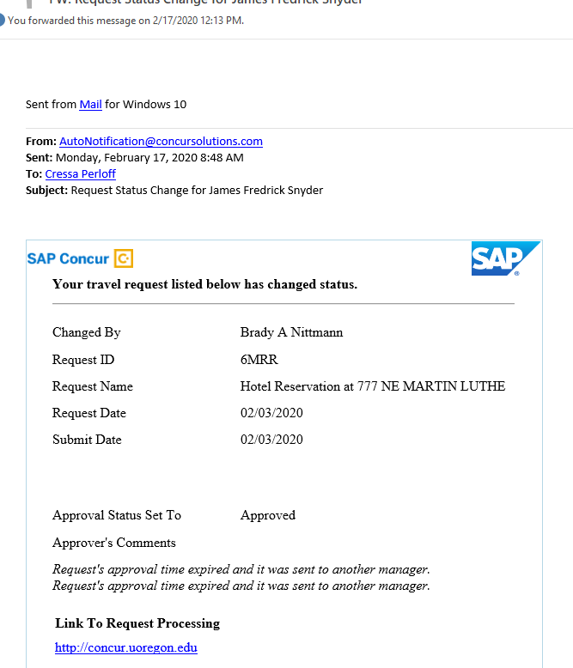

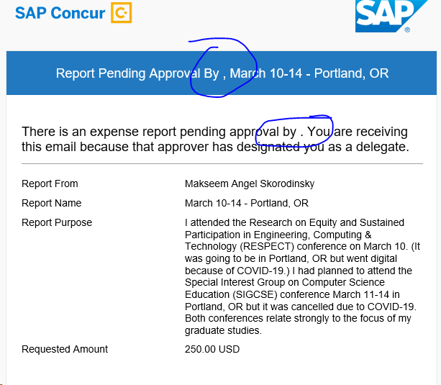

=====================================================================================================================================================================
ZK030073 JV BDCING 001100 35130 IRCRNA 69862F6747D94DF5B09F ANNIE SILVERSTEIN, Eug, May 2020 D 589.75 1229.50 V00111559 Ghost Card JV
ZK030073 JV 001100 A5103 69862F6747D94DF5B09F ANNIE SILVERSTEIN, Eug, May 2020 C 589.75 1229.50 V00111559 Ghost Card JV
ZK030073 JV BDCING 001100 35130 IRCRNA 69862F6747D94DF5B09F ANNIE SILVERSTEIN, Eug, May 2020 D 25.00 1229.50 V00111559 Ghost Card JV
ZK030073 JV 001100 A5103 69862F6747D94DF5B09F ANNIE SILVERSTEIN, Eug, May 2020 C 25.00 1229.50 V00111559 Ghost Card JV
=====================================================================================================================================================================
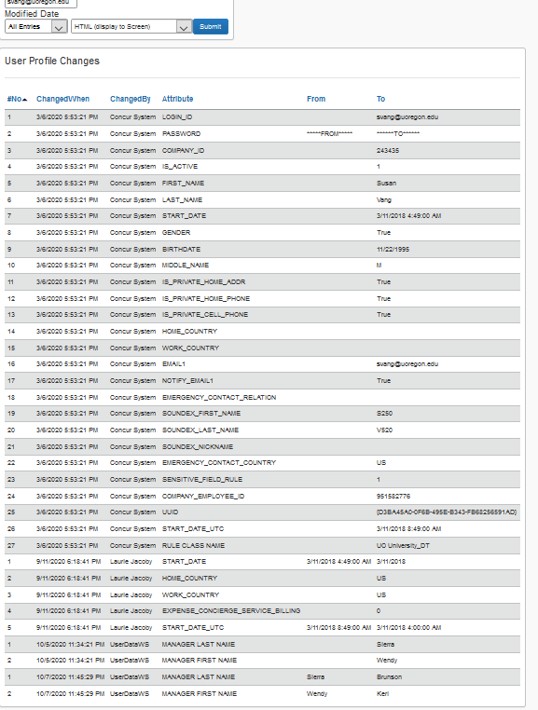

Currently assigned to Users |  | Not currently assigned
Admissions |  | Behavioral research and teaching
Admissions International |  | biochemistry
American English Institute |  | board of trustees
American English Institute - Fac |  | CAS Development
Anthropology |  | Community Service Center
Athletics |  | Ed. Methodology, Policy & Leadership
Behavioral Research |  | Education
Biology |  | Education Studies
Business Affairs |  | Facilities Admin Shared Svcs
Campus Planning & Facilities Mgm |  | Human Development
Career Center |  | LERC-PDX
Center for Equity Promotion |  | Materials Science Institute
Center for Trans. Neuroscience |  | OCOMQS
Center on Human Development |  | Office of VP of Student Life
Center on Teaching and Learning |  | Oregon Career Information System
Chemistry |  | Oregon Inst of Marine Bio
Cinema Studies |  | Research CORE Busness Svcs
Clark Honors College |  | Research Finance & Bus Admin
COACH |  | Services for Student Athletes
College of Arts and Sciences |  | Student Services
College of Design |  | VP of Finance
College of Education
Communications
Computer and Information Science
Continuing & Professional Ed.
Counseling Psychology
Creative Writing
Dance
Dean of Students
DEANS
Division of Global Engagement
Early Childhood - CARES
Earth Sciences
Earth Sciences - Faculty
East Asian Languages
Economics
Educational and Community Suppor
English Faculty
Environmental Studies
Erb Memorial Union
Finance Admin Shared Svcs
Financial Aid and Scholarships
Geography
German & Scandinavian
Global Studies Institute
Guest
History
Housing
Human Physiology
Human Resources
Indigenous Race Ethnic Studies
Information Services
Inst for Policy Research & Engmt
Institute of Ecology and Evoluti
Institute of Molecular Biology
Institute of Sustainable Environ
Internal Audit
Into Careers
Journalism
JSMA
Knight Campus
Law School
LERC - EUG
Libraries
Linguistics
Lundquist College of Bus - PDX
Lundquist College of Business
Mathematics
Mathematics (GE)
Mathematics (Other)
Museum of Nat & Cult History
Music
Network Startup
Neuroscience
Office of Equity and Inclusion
Office of the Provost
Office of the Registrar
OR Consortium for Int and A.S.
Oregon Advanced Computing for SS
Parking & Transportation
PE & Rec
Philosophy
Physics
Police Department
Political Science
President's Office
Prevention Science Institute
Printing Mail Services
Psychology
Purchasing & Contracting Service
RARE
Religious Studies
Research and Innovation
Residence Life
Richmond Lab
Romance Languages
Safety & Risk Services
Sociology
SSET
Student Life
Student Orientation Programs
Teaching and Learning Center
Test
Theatre Arts
Travel Office
Undergraduate Education
University Advancement
University Counseling Center
University Health Center
University of Oregon - Portland
UO
UO Alumni Association
Utilities and Energy - CPFM
Vivian Olum
Women's, Gender and Sexuality
Yamada Language Center

