PT Help
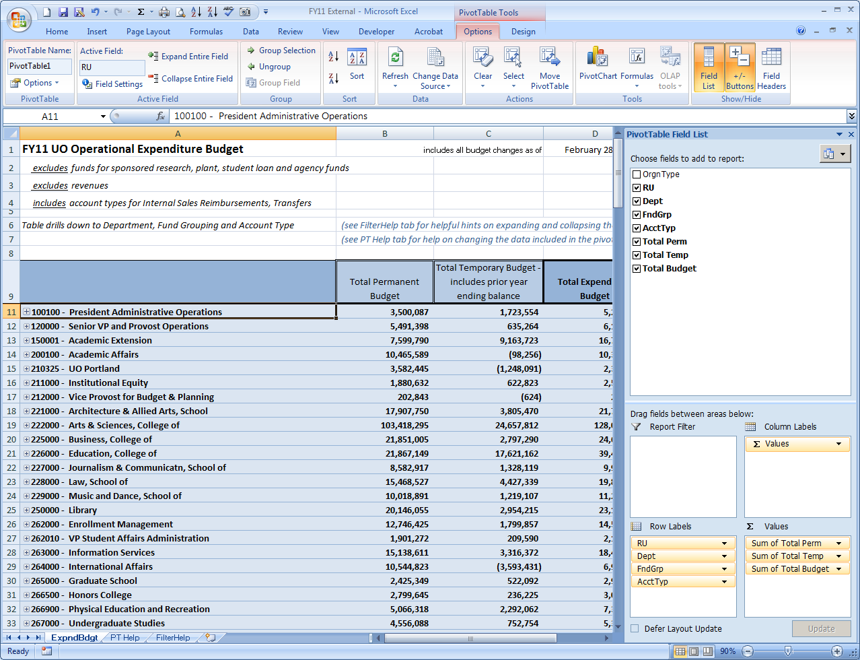
How to Adjust the Fields in a Pivot Table using Existing Data
If you have never worked with Pivot Tables, you may first want to view this 3-minute introduction:
http://www.youtube.com/watch?v=YxKaJP8I-mA
The Excel worksheet pivot table can be adjusted to display the data in many ways.
If you wish to include or exclude fields in your pivot table, do the following:
Click anywhere inside the pivot table. A pink-tinged menu called “PivotTable Tools” will appear in the upper-right of your Excel window
Select “Options” from the ribbon.
Select the “Field List” icon. A window titled “PivotTable Field List” will appear next to the pivot table.
At the top of the rectangle are all the available fields
The lower part of window is divided into quadrants:
Report Filter
Column Labels
Row Labels
Values
You can drag-and-drop andy additional fields you want into one of the quadrants.
To remove a field, simply drag it outside of the Field List.
The pivot table will instantly update itself unless you click on the box “Defer Layout Update”
If you wish to change the format of any field, click on the field then from the pop-up menu select “Value Field Settings”
To learn more about Pivot Tables, select the HELP button and read the materials provided by Microsoft.

FilterHelp
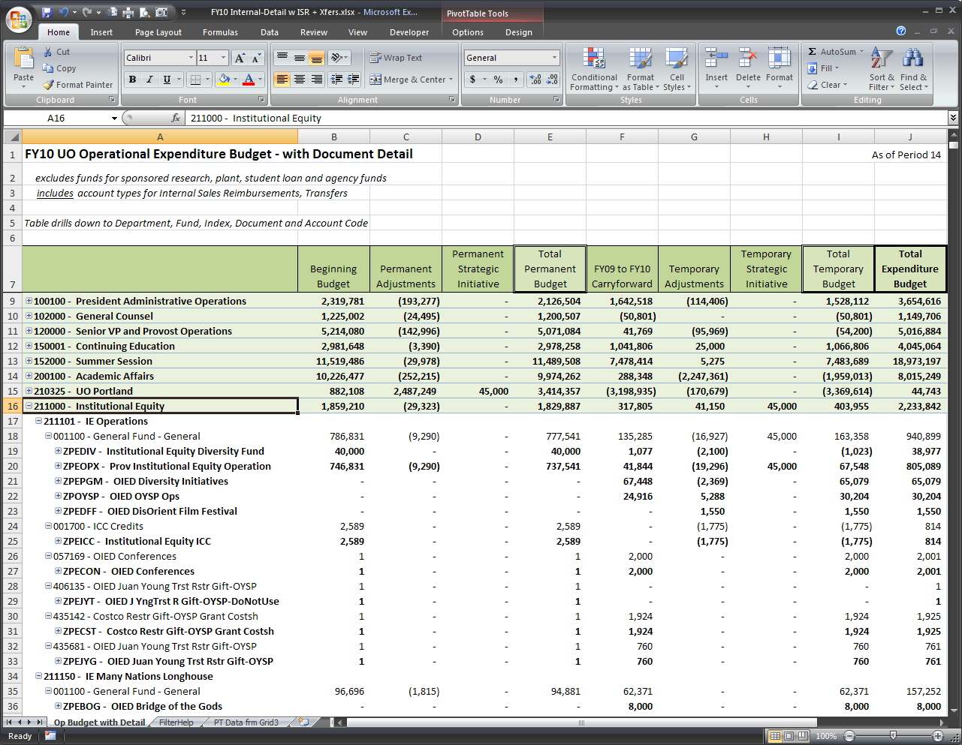
There is a quicker method for expanding and collapsing the detailed data than clicking on the [+] plus and [-] minus buttons.
To expand or collapse to the level of detail you are interested in seeing:
 | Right-click on your unit (cell A16 in the example below)
 | Select … Expand/Collapse
 | Select … Expand to ____ (the level you wish to see; "Index" in the example below)

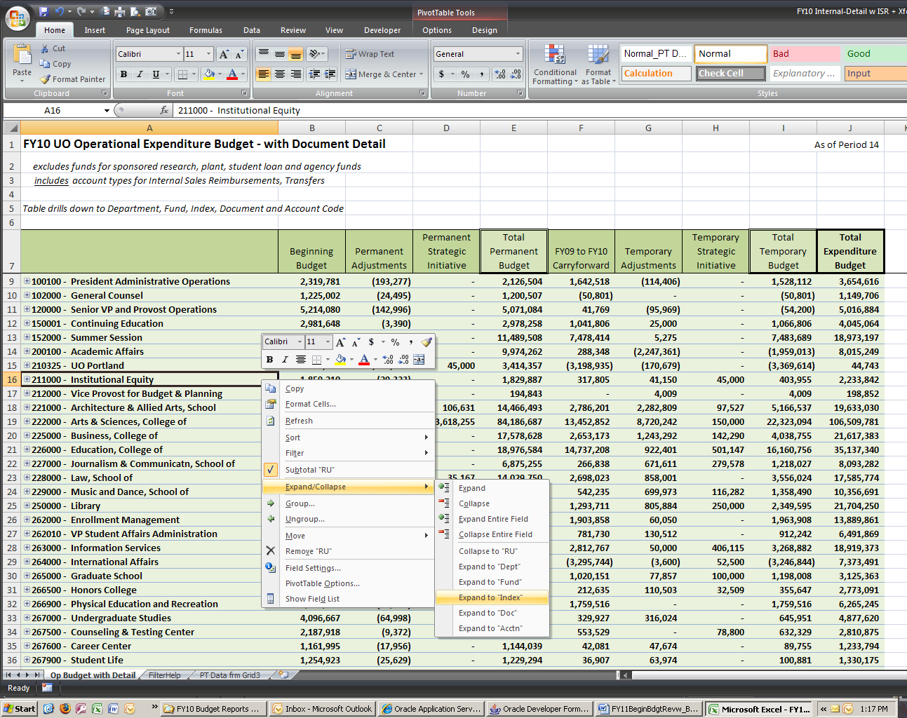

The result will be:

