Terminal 1
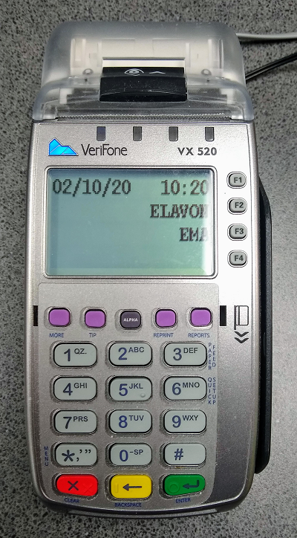
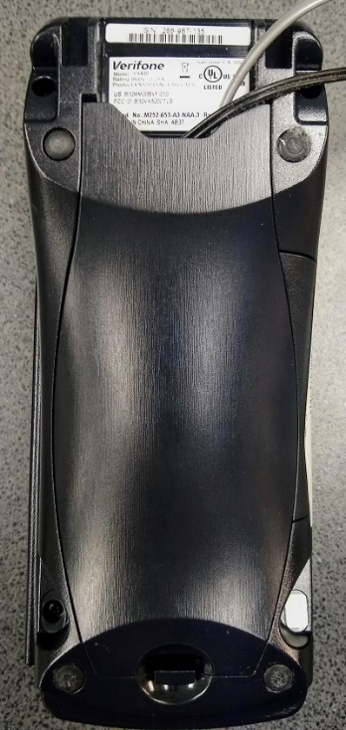
Replace these images with picture of your terminal
 |  | Terminal Inspection Log

 |  | What to look for:

 |  | 1. Look for any tampering of terminal, e.g. broken seals, unexplained scratches, skimmers, different cables, or anything out of ordinary
 |  | 2. Look for hidden cameras
 |  | 3. Compare serial numbers with pictured copy, keep a picture of front and back of terminal on hand for easy comparison

Manufacturer | Model | Serial Number

Location Description (bldg, room, counter) |  |  | Number and color of attached wires/cables

Inspected by | Date | Signs of Tamper | Remarks

Log Template
Terminal Inspection Log

Replace this image with picture of terminal

 |  | What to look for:

 |  | 1. Look for any tampering of terminal, e.g. broken seals, unexplained scratches, skimmers, different cables, or anything out of ordinary
 |  | 2. Look for hidden cameras
 |  | 3. Compare serial numbers with pictured copy, keep a picture of front and back of terminal on hand for easy comparison

Manufacturer | Model | Serial Number

Location Description (bldg, room, counter) |  |  | Number and color of attached wires/cables

Inspected by | Date | Signs of Tamper | Remarks

